Script
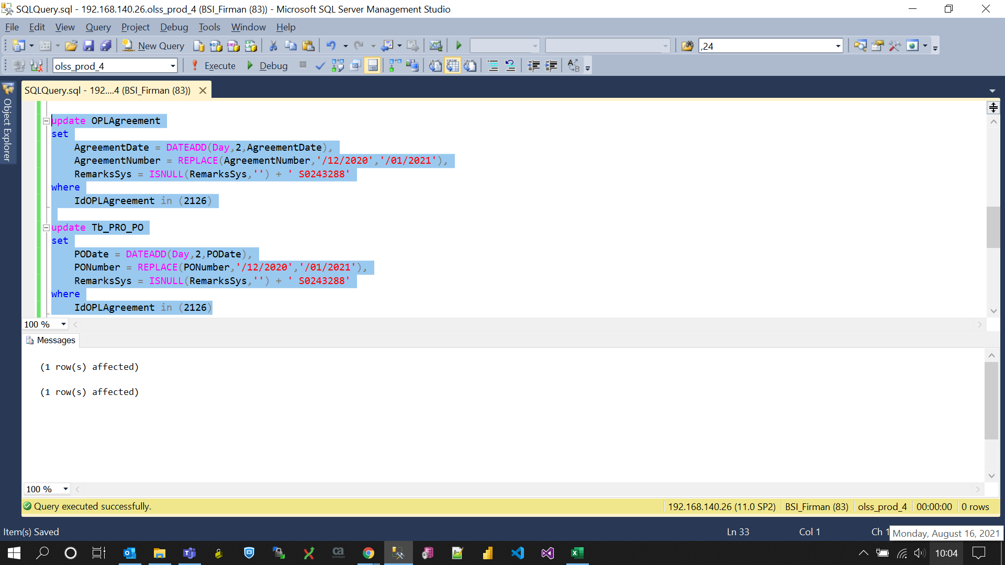
update OPLAgreement
set
 | AgreementDate = DATEADD(Day,2,AgreementDate),
 | AgreementNumber = REPLACE(AgreementNumber,'/12/2020','/01/2021'),
 | RemarksSys = ISNULL(RemarksSys,'') + ' S0243288'
where
 | IdOPLAgreement in (2126)

update Tb_PRO_PO
set
 | PODate = DATEADD(Day,2,PODate),
 | PONumber = REPLACE(PONumber,'/12/2020','/01/2021'),
 | RemarksSys = ISNULL(RemarksSys,'') + ' S0243288'
where
 | IdOPLAgreement in (2126)

Screenshot
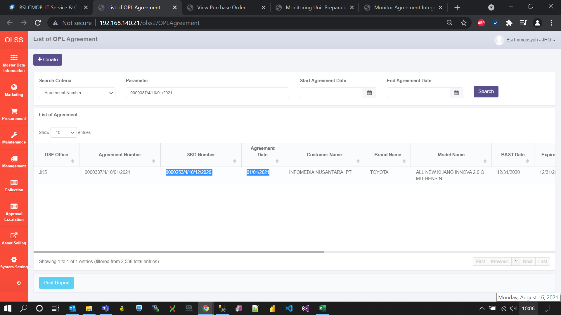
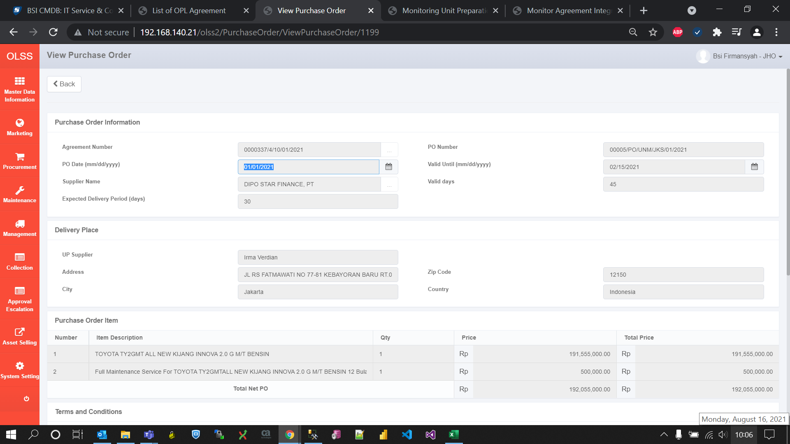
BEFORE



AFTER

